Introduction

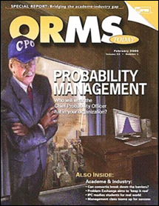

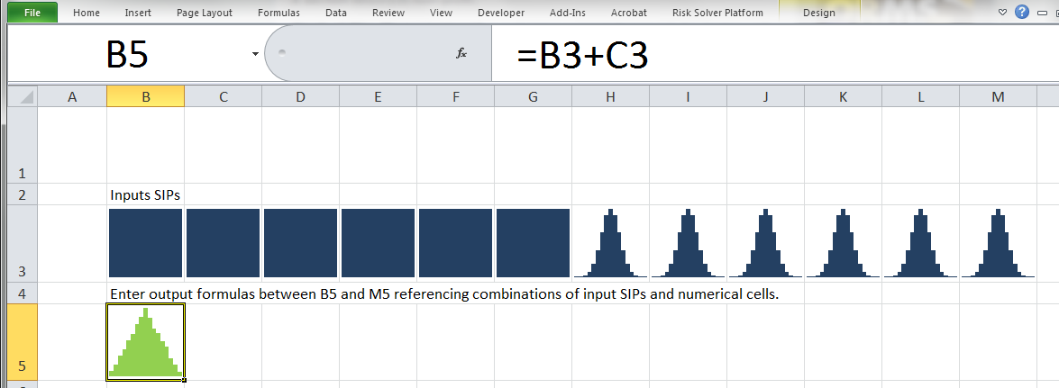

About SPARKLAND
A SIP (Stochastic Information Packet) is an array of simulated or historical realizations of an uncertainty. It is possible to do SIP math (calculations with SIPs) in various computational environments. In Excel this can be done using the Index formula and Data Table as described at www.SIPmath.org.
SPARKLAND.xlsx demonstrates how the sparkline graphs of Excel 2010 and later may be used to represent both the inputs and outputs of SIP math calculations. In SPARKLAND, you may click on histograms for use in your formulas just as you would click on numeric cells. The only trick is formatting the cells containing the sparklines so the numerical results are not superimposed. The custom format ";;;" has been used in this example.
The input SIPs on the Library tab, contain 10,000 pre-computed stratified trials of 6 uniform and 6 normal random variables. Every time an output formula is changed, all 10,000 trials are instantly run through the model.
Visit www.SIPmath.org, or click here
for videos, tutorials and other examples.

